Original
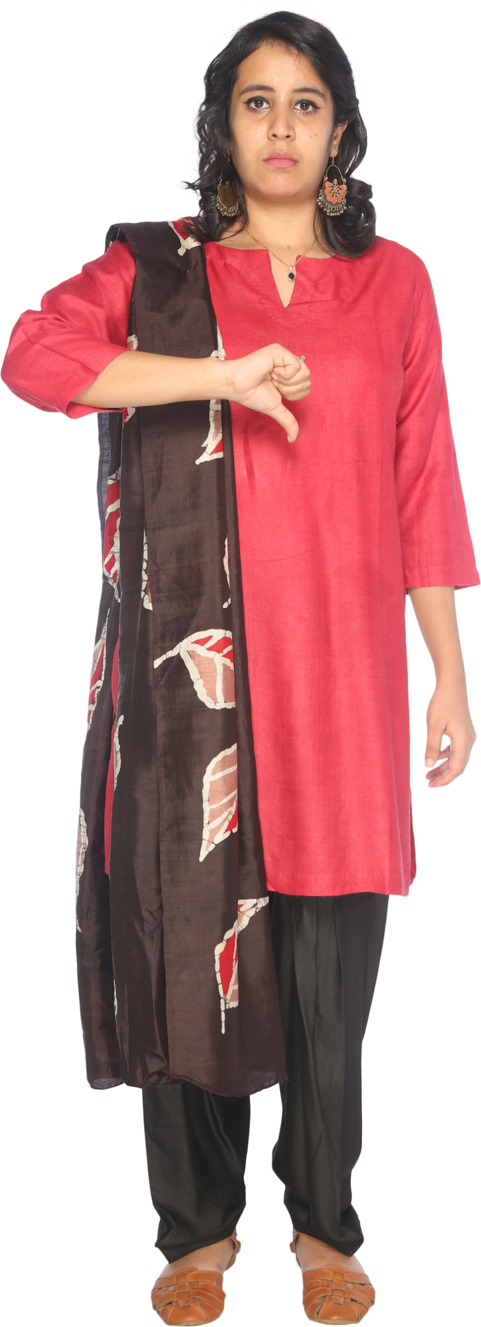
Department | Emp Name | Salary | Answer Expected |  | https://www.linkedin.com/feed/update/urn:li:activity:7240229346810937344/
HR | Thomas | 921 | Admin | Lauren
Sales | Russell | 793 | HR | Thomas, Olivia
IT | Emily | 660 | IT | Emily, Aaron, Karen
IT | Karen | 579 | Sales | Russell, Lisa
Sales | Shirley | 430
IT | Lawrence | 191
HR | Christian | 357
Sales | Patricia | 328
IT | Billy | 469
Sales | Thomas | 163
Find out the top 2 salaries in all departments.
Sales | Lisa | 732
IT | Megan | 194
HR | Olivia | 768
Sales | Jean | 263
IT | Carolyn | 405
IT | Aaron | 579
Sales | Catherine | 323
IT | Nathan | 503
Admin | Lauren | 94

